INSTRUCTIONS
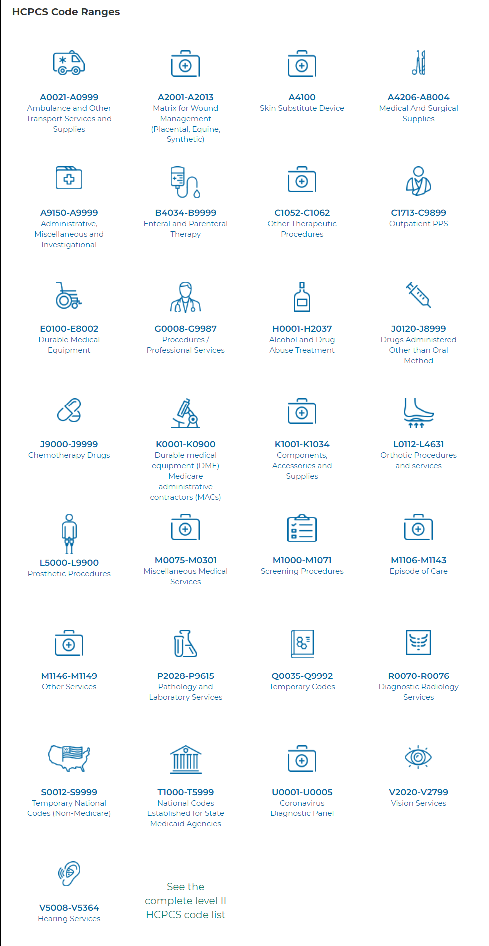
ICCOP = Injectable and Chemotherapy Carveout Program

Applies to Carrier UHCNI2500 and UHC0012XX

Drug Categories are broken down into 6 standard lists or custom lists | ICCOP Exhibit Table
100 - Chemotherapy Medications and Adjuncts | 1
200 - Transplant Medications | 2
400 - Office Administered Injectables and Infused Medications | 3
500 - Self Administered Injectable Medications | 4
600 - Hemophilia Medications | 5
300- Adult Vaccines | 6
502 - Infertility Medications

How to use Job Aid to determine if medication should be reviewed for authorization or auto auth entered
1. Search for Group Care Facility in Group List Tab (column A or B) for Instructions on whether Medical Group or OptumRx is responsible for authorization (column E - Auth Delegation)
2. Search Workbook (use Control F) to locate medication on specific list. If medication is on the list, it can be authorized and fulfilled through OptumRx Specialty Pharmacy
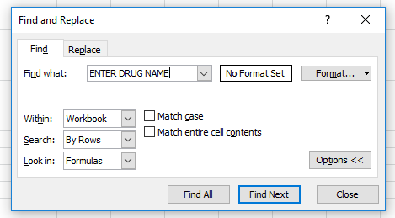

If the drug exists on the Non-covered Injectables tab, the alternative listed is the preferred medication

Key for Dec#'s
A=10, B=11, C=12, D=13 etc (add a preceding zero)

PLEASE NOTE: Diabetic Injectables and Epinephrine (generic and brand name) DO NOT require Knowledge Central verification
These are pharmacy benefit covered medications

